Summary
Price summary

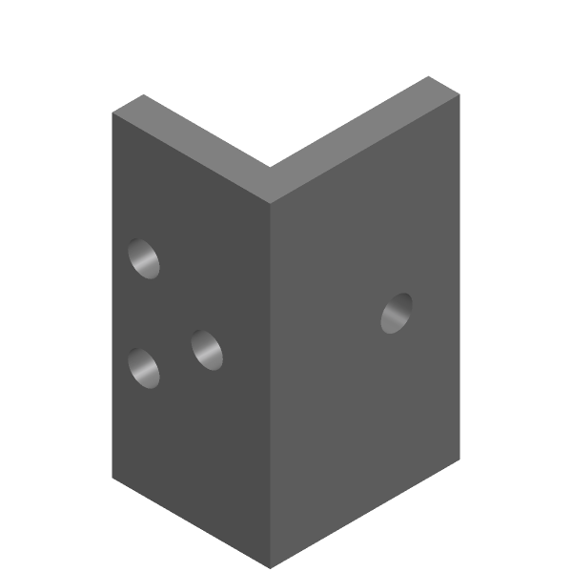
Quote | QU-260821-1
Generated | 2026-08-26

Part
Part name | l-bracket
File name | dm1-id-214.stp
Material | Stainless Steel 304
Bounding box (mm) | 50.018 × 60.0179 × 100.007
Quantity | 1
Surface roughness | Ra 3.2 µm
Surface finish | As machined

Cost breakdown — batch ($)
 | Batch ($) | % of subtotal
Material
Machining
Setup & programming
Tooling & consumables
Inspection & QC
Finish & treatment
Subtotal

Markup mode
Markup / margin percent
Total
Per-unit price

Generated by PartPrice on 2026-08-26

